Important Information
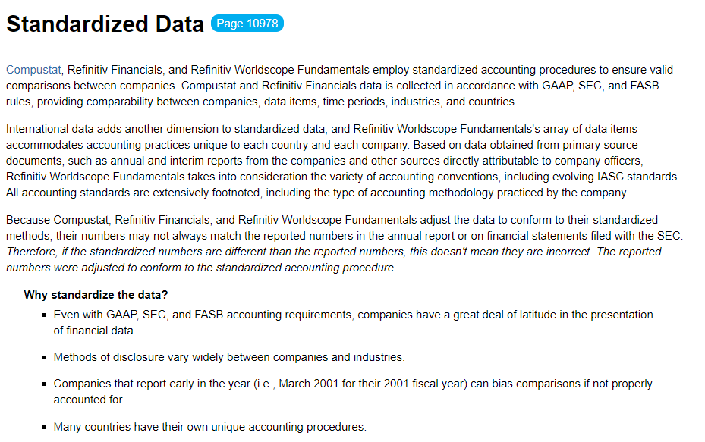
 | Data Options | Choice "1" | Choice "2" | Description
1 | GAAP/IFRS vs. Adjusted | GAAP/IFRS | Adjusted | By selecting the "Adjusted" option, the adjusted data will appear when available but only if "Includes restatements" is selected below
2 | Restated vs. Original | Includes restatements | Excludes restatements | By select the option to "Exclude restatements" the company's original data will appear if a restatement occurred
3 | Mean vs. Median estimate | MEAN | MEDIAN | For the forecast periods can be pulled as the "mean" or "median" of all analysts who provide the line item to FactSet
4 | Currency |  |  | The default is local currency
5 | "As Reported" vs. "Standardized" |  |  | Data with a green font is from FactSet's "standardized" database whereas orange is from the "Broker Actuals"

